Sheet1
HODAG
Unit Roster
2026 Winter Klondike
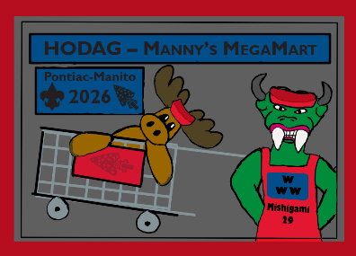

 | District: |  | Unit Type: |  | Number:

 | Youth or Adult (Y or A) | Participant Last Name | Participant First Name | Male or Female | Unit has Annual Health Form (A) | Unit has Annual Health Form (B)

1
2
3
4
5
6
7
8
9
10
11
12
13
14
15
16
17
18
19
20
21
22
23
24
25

